Test Case 1.0 + Bug Report
Use search engine on the main website albeco.com.pl and find one product: "łożysko 6002"
Test case ID | Test Case Description | Precondition | Step # | Test Steps Details | Test Data | Expected Results | Actual Results | Status | Comments
A.1. | Visit main page of albeco.com.pl website | The user need to accept cookie banner on the main website | 1. | Type: "albeco.com.pl" as URL and click enter |  | The main website of albeco.com.pl should open. | The main website is open | Pass
 |  |  | 2. | Wait for a while for a coockie banner |  | Banner show up with three visible buttons "Only Neccessary", "adjust constens" and "accept all" | Banner showed up | Pass
 |  |  | 3. | Click "Accept All" |  | The user click "Allow all" and the cookie banner should closed | Coockie banner is closed | Pass
 |  |  | 4. | Step One: In search by designation engine on the main website type "łożysko 6002" Step Two: click "Search icon" on the right of the search engine field |  | A shop subpage should open up with the search results and all the bearings with the number 6002 | There is the shop subpage with 0 results of "łożysko 6002" | Bug
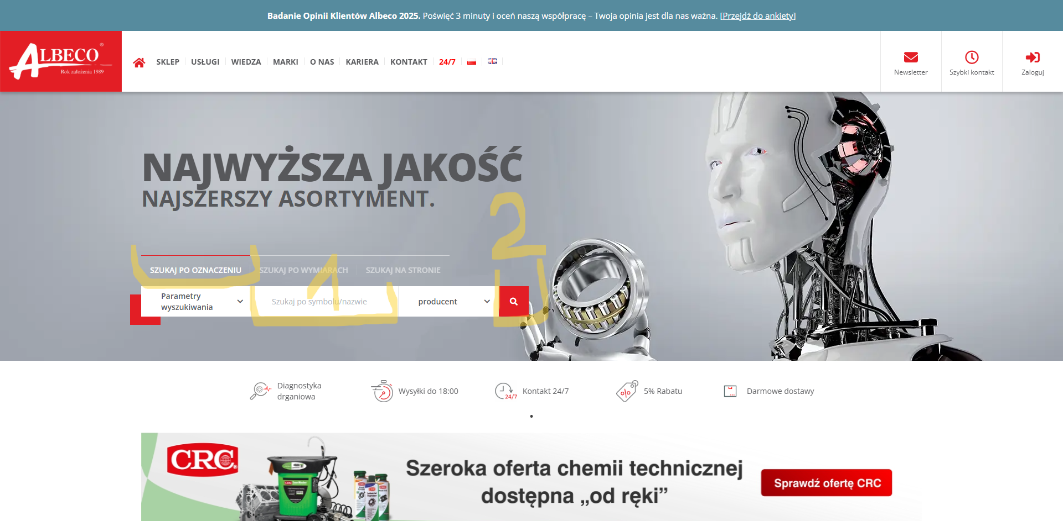
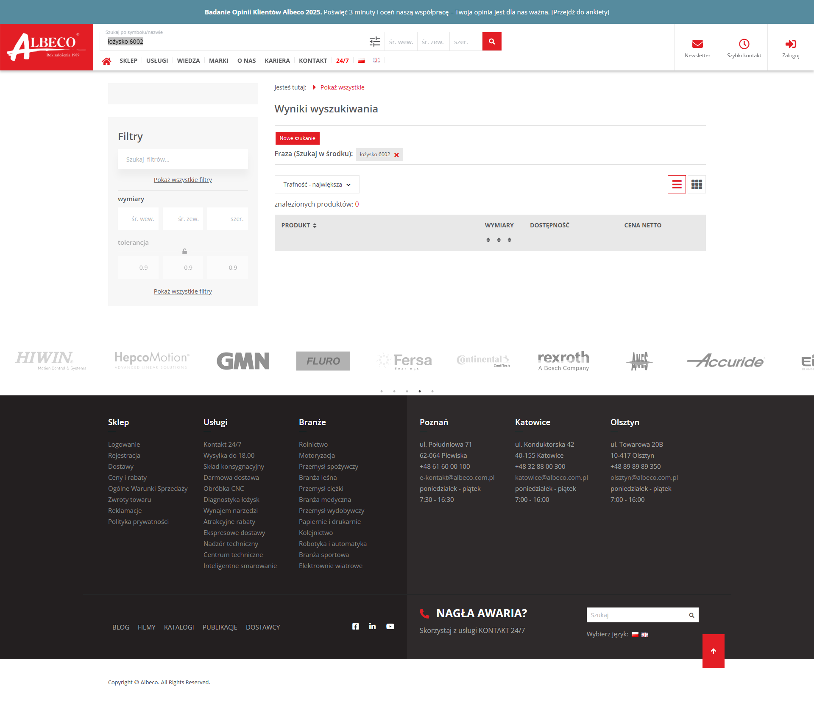

 |  |  | 5. | Comeback tho the main page by clicking on the logo on the top left. |  | Main page should open | Main page is open | Pass

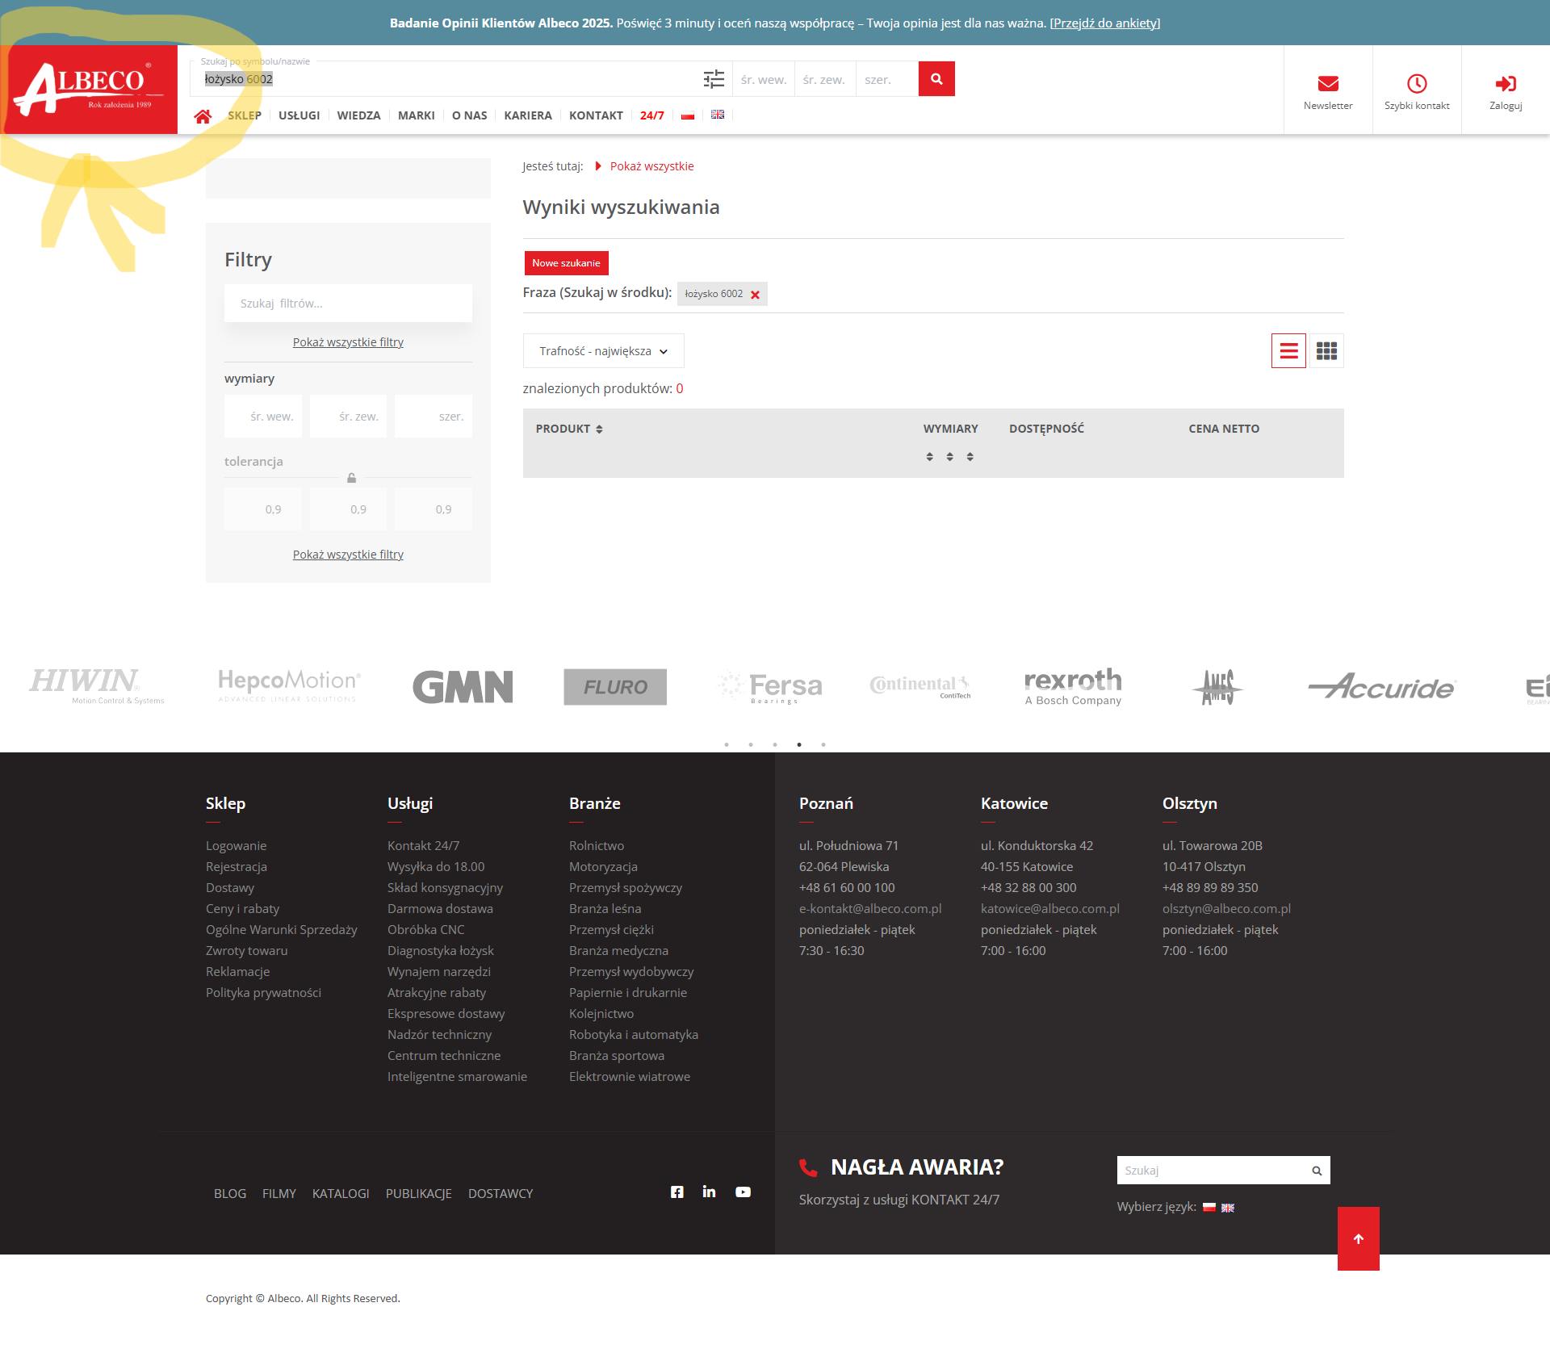

 |  |  | 6. | Use the site's search engine now to find bearing 6002. Step one: change the search engine to the site's search engine mode. Step two: In the form field type "łożysko 6002". Step three: Click on the search icon |  | A shop subpage should open up with the search results and all the bearings with the number 6002 | The ‘Knowledge’ subpage opens without any results | Bug
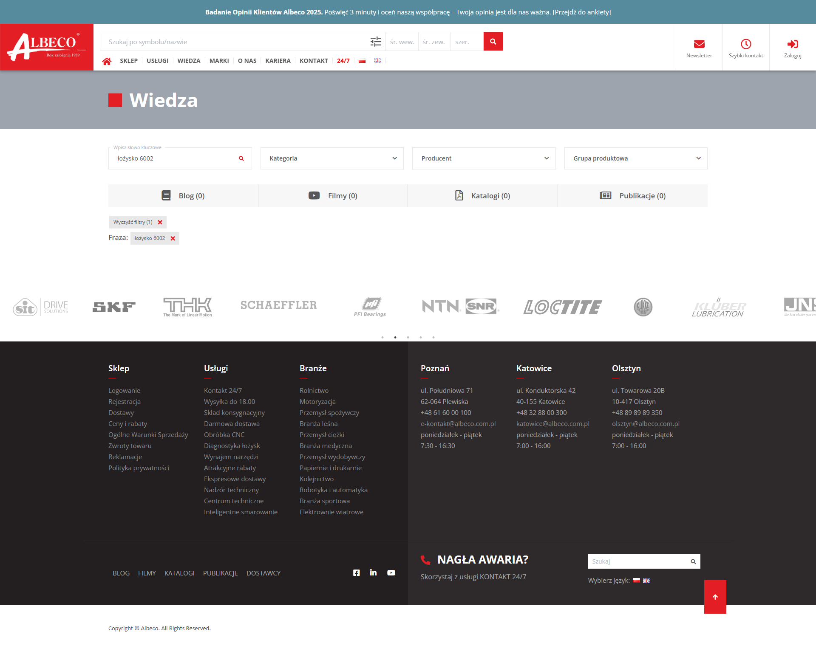

BUG Report
Title: | Fault in search by designation engine |  | Fault in search in site engine
Introduction: | When you go on the main website of the albeco.com.pl and want to find a bearing in search by designation engine typing "łożysko 6002" and click "Search icon" on the right of the search engine field there is no results |  | When you comeback on the main website after the faulty results of search by designation engine the second try to find "łożysko 6002" on the website it will be in the search site engine. When you choose search site engine, then type "łożysko 6002" in the form field and click "Search icon" on the right of the search engine there will be oben the "knowledge" subpage without any results
Priority: | High |  | High
Enviroment: | albeco.com.pl website on Google Chrome, system Windows 10 |  | albeco.com.pl website on Google Chrome, system Windows 10
Steps: | 1. Type "albeco.com.pl" in URL. 2. Click "Accept All" on coockie banner. 3. Go to the search by designation engine on the top of the main page and type "łożysko 6002". 4. Click "Search icon" on the right of the form field. |  | 1. Comeback to the mainpage by clicking on the logo on the left top. 2. Then change the search by designation engine to search on site engine. 3. Type "łożysko 6002" on the filed form. 4. Click search icon on the right of the field form.
Expectations: | The shop subpage should opened with a lot of "łożysko 6002" results |  | The shop subpage should opened with a lot of "łożysko 6002" results
Reality: | The shop subpage is viewed without any result of "łożysko 6002" |  | The ‘Knowledge’ subpage opens without any results

